ART
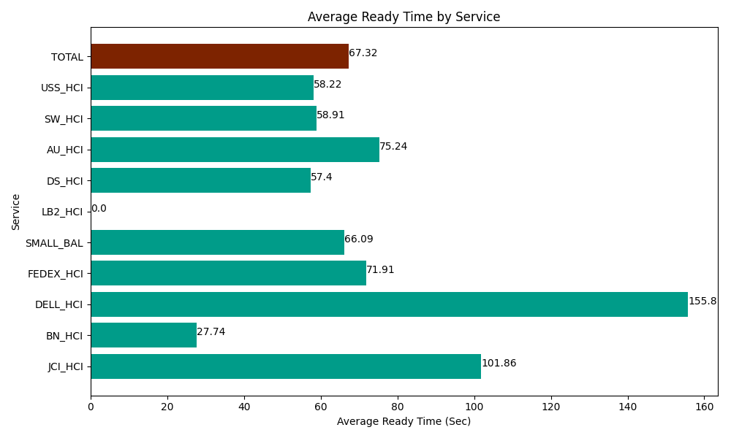
Date | Service | Successful Op Transfer | In Call (Sec) | Ready (Sec) | Wrapup (Sec) | Not Ready (Sec) | Average Ready Time (Sec)
03-11-2024 | JCI_HCI | 258 | 28723.800659 | 26280 | 33579.001465 | 6129.0000916 | 101.86
03-11-2024 | BN_HCI | 355 | 21481.199341 | 9847.199707 | 41814.001465 | 33187.199707 | 27.74
03-11-2024 | DELL_HCI | 176 | 14778.000183 | 27421.199341 | 51226.801758 | 14014.80011 | 155.8
03-11-2024 | FEDEX_HCI | 150 | 18001.799927 | 10786.799927 | 13597.800293 | 15292.800293 | 71.91
03-11-2024 | SMALL_BAL | 68 | 4905 | 4494.0000916 | 11203.799744 | 7029.0000916 | 66.09
03-11-2024 | LB2_HCI | 0 | 0 | 0 | 0 | 1699.7999954 | 0
03-11-2024 | DS_HCI | 804 | 54639.001465 | 46145.998535 | 82248.00293 | 76402.199707 | 57.4
03-11-2024 | AU_HCI | 258 | 15668.999634 | 19412.999268 | 17378.999634 | 14505 | 75.24
03-11-2024 | SW_HCI | 209 | 10091.999817 | 12311.999817 | 17055 | 31981.201172 | 58.91
03-11-2024 | USS_HCI | 218 | 32509.200439 | 12691.799927 | 39252.000732 | 15868.800659 | 58.22
 | TOTAL | 2496 | 200799.00146 | 169391.99661 | 307355.40802 | 216109.80183 | 67.32

